Introduction
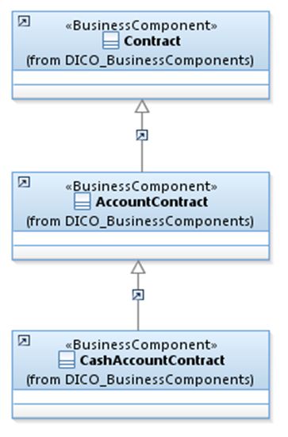
 |  | Introduction

This document describes the Business Model Components and Elements used by the Bank-to-Customer Cash Management message definitions.

In the “Business Model” tab, the cells with text in green indicate the business concepts used by the Bank-to-Customer Cash Management message set

The “Traces” tab shows to which business concepts the Bank-to-Customer Cash Management message components and message elements trace.

Notes:

Specialisation | Some components inherit from a parent. In this illustration, the AccountContract is a specialisation (a child) of Contract and inherits from all its elements.
 | CashAccountContract inherits AccountContract and indirectly from Contract.

Account
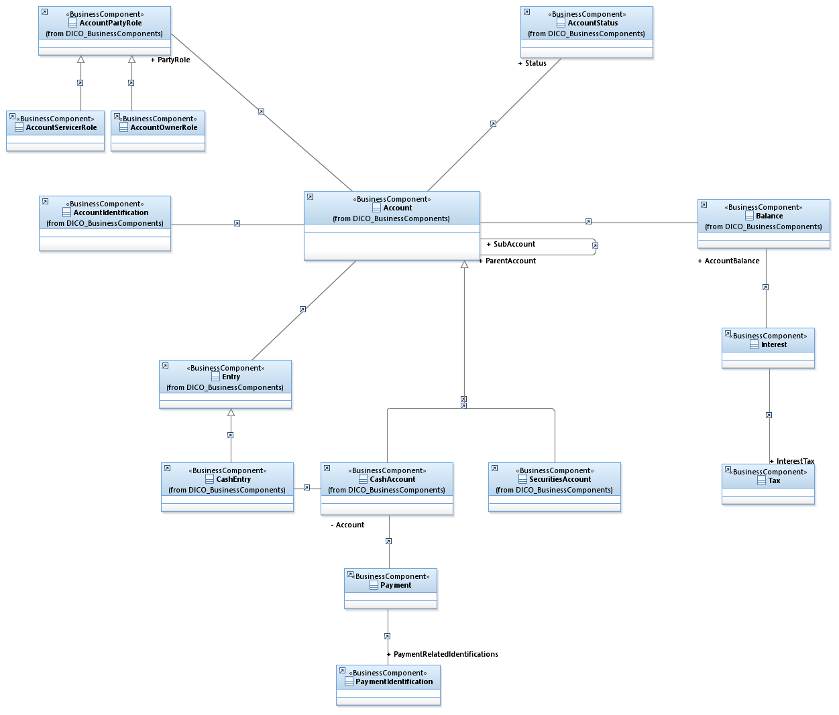

AccountBalanceEntry
